mail.ru
TC ID | Preconditions/Test Data | Test name | Steps | Expected result | Comment
LOG-0001 |  | Open the Registration form (Create New Mailbox) | 1. Open mail.ru web application (https://mail.ru/) 2. Click "Создать почту" in the "@mail" form | 1. Mail.ru homepage is displayed: * "@mail" form is displayed (see the attached screenshot) 2. User is redirected to the Registration page: * Mail.ru standart header is displayed * Registration form is displayed: - "First Name"/"Last Name" input fields - "Birthdate" dropdowns ("Day", "Month" and "Year") - "Sex" radiobutton ("Male"/"Femail" options) - "Account name" input field + domain dropdown ("@mail.ru" by default) - "Password" input field (password) - "Резервный email (необязательно)" input field - "Резервный email необходим для восстановления доступа." message (under "Резервный email (необязательно)" input field ) - "У меня есть мобильный телефон" link - "Sign up" button (background color = #005ff9) - Text: "By clicking "Register", you accept the following Terms of Service." ("Terms of Service" is a link) | 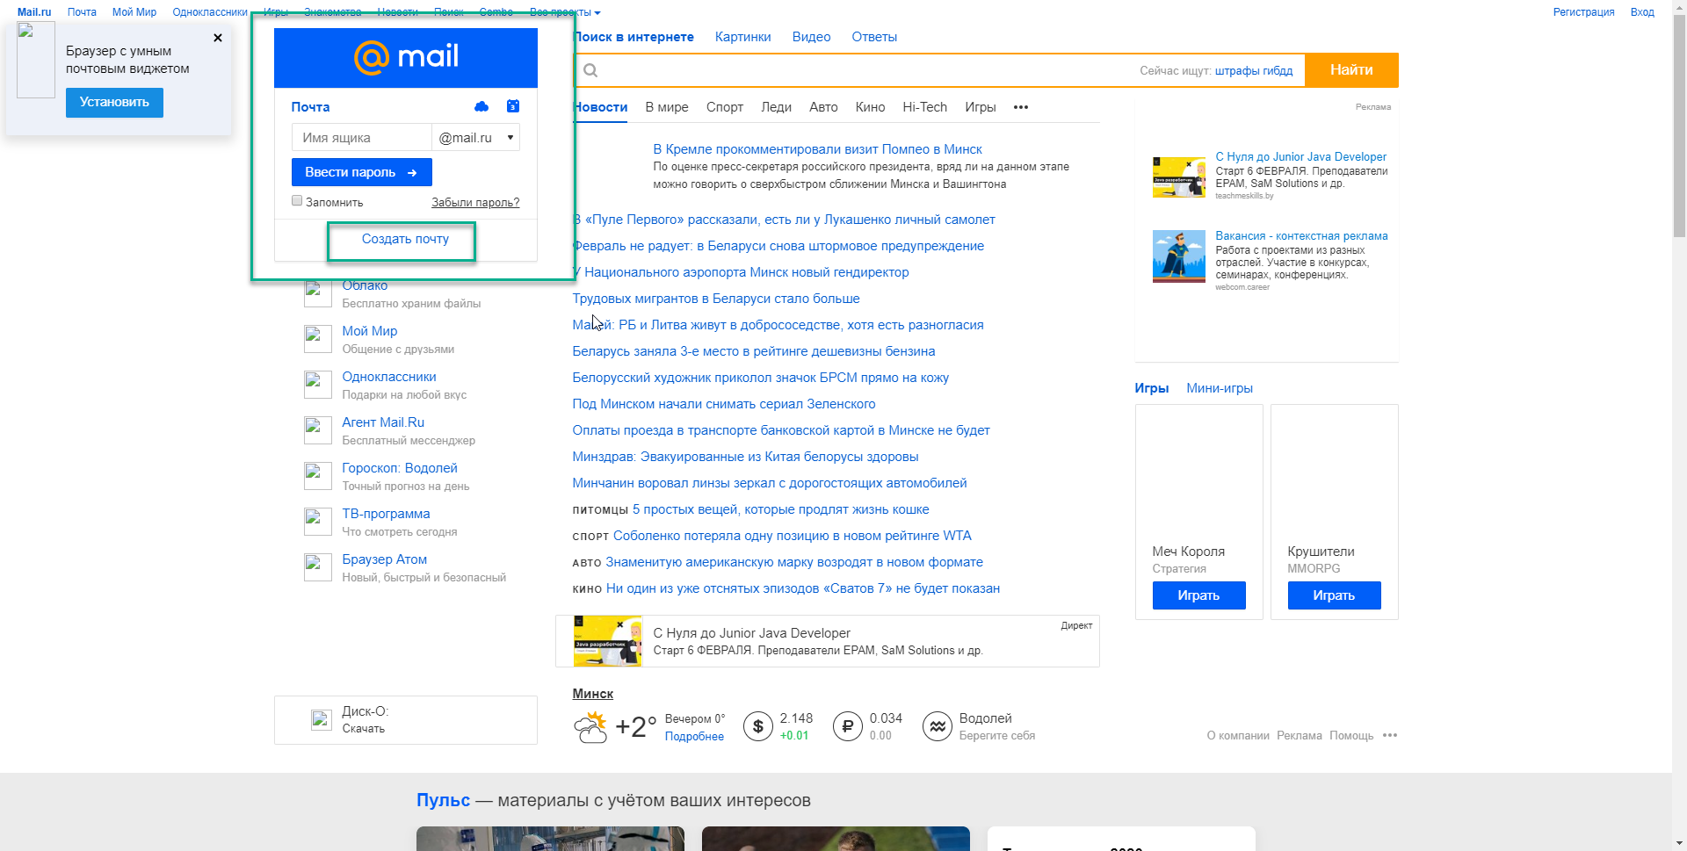 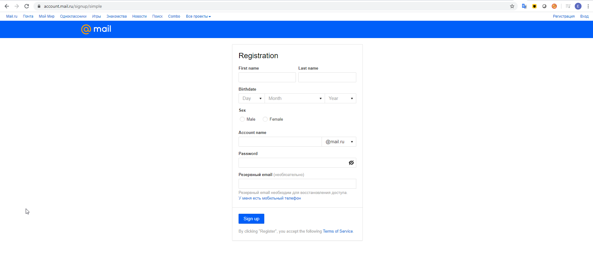
LOG-0002 | LOG-0001 | Press Sign Up (all fields are empty) | 1. Hover mouse cursor over "Sign Up" 2. Press "Sign Up" | 1. - Mouse cursor is changed to "finger" - "Sign Up" button color is changed 2. All fields (except of "Резервный email (необязательно)") are highlighted in red and validation messages are displayed under them: - First name: "Enter your first name" - Last name: "Enter your last name" - Birthdate: "Enter your birth date" - Sex: "Enter your gender" - Account name: "Укажите желаемое имя аккаунта" - Password: "Enter your password" | 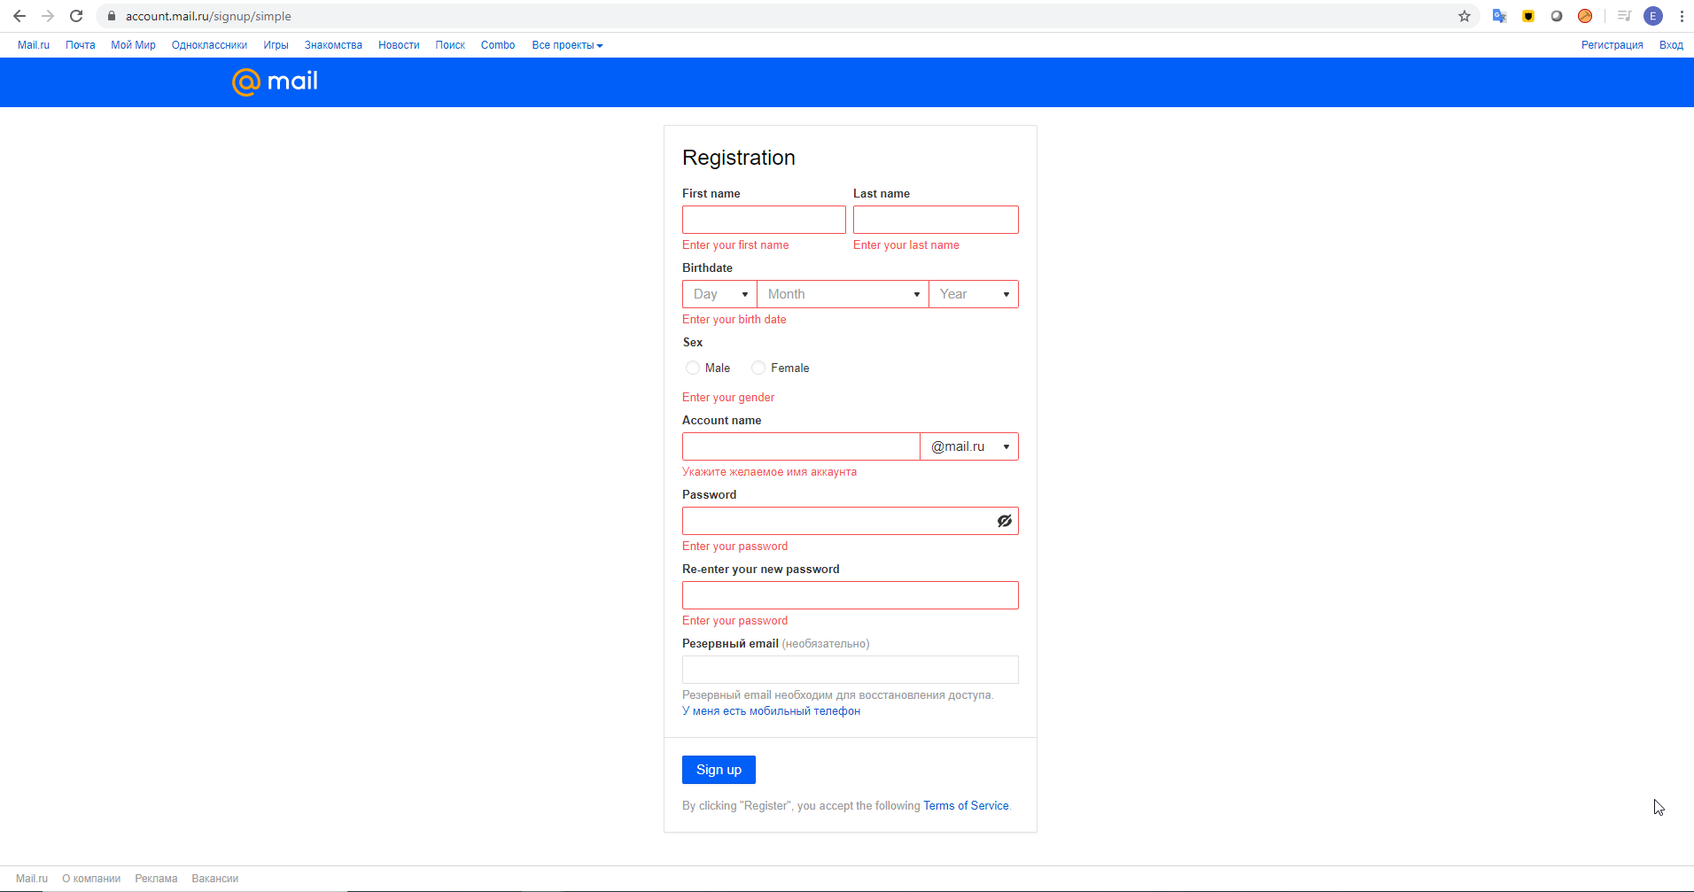
LOG-0003 | LOG-0001 | Open the Terms of Service | 1. Hover mouse cursor over "Terms of Service" 2. Click "Terms of Service" | 1. Mouse cursor is changed to "finger" 2. "https://help.mail.ru/legal/terms/mail" page is opened in new tab/window - "Почта" section is selected by default | 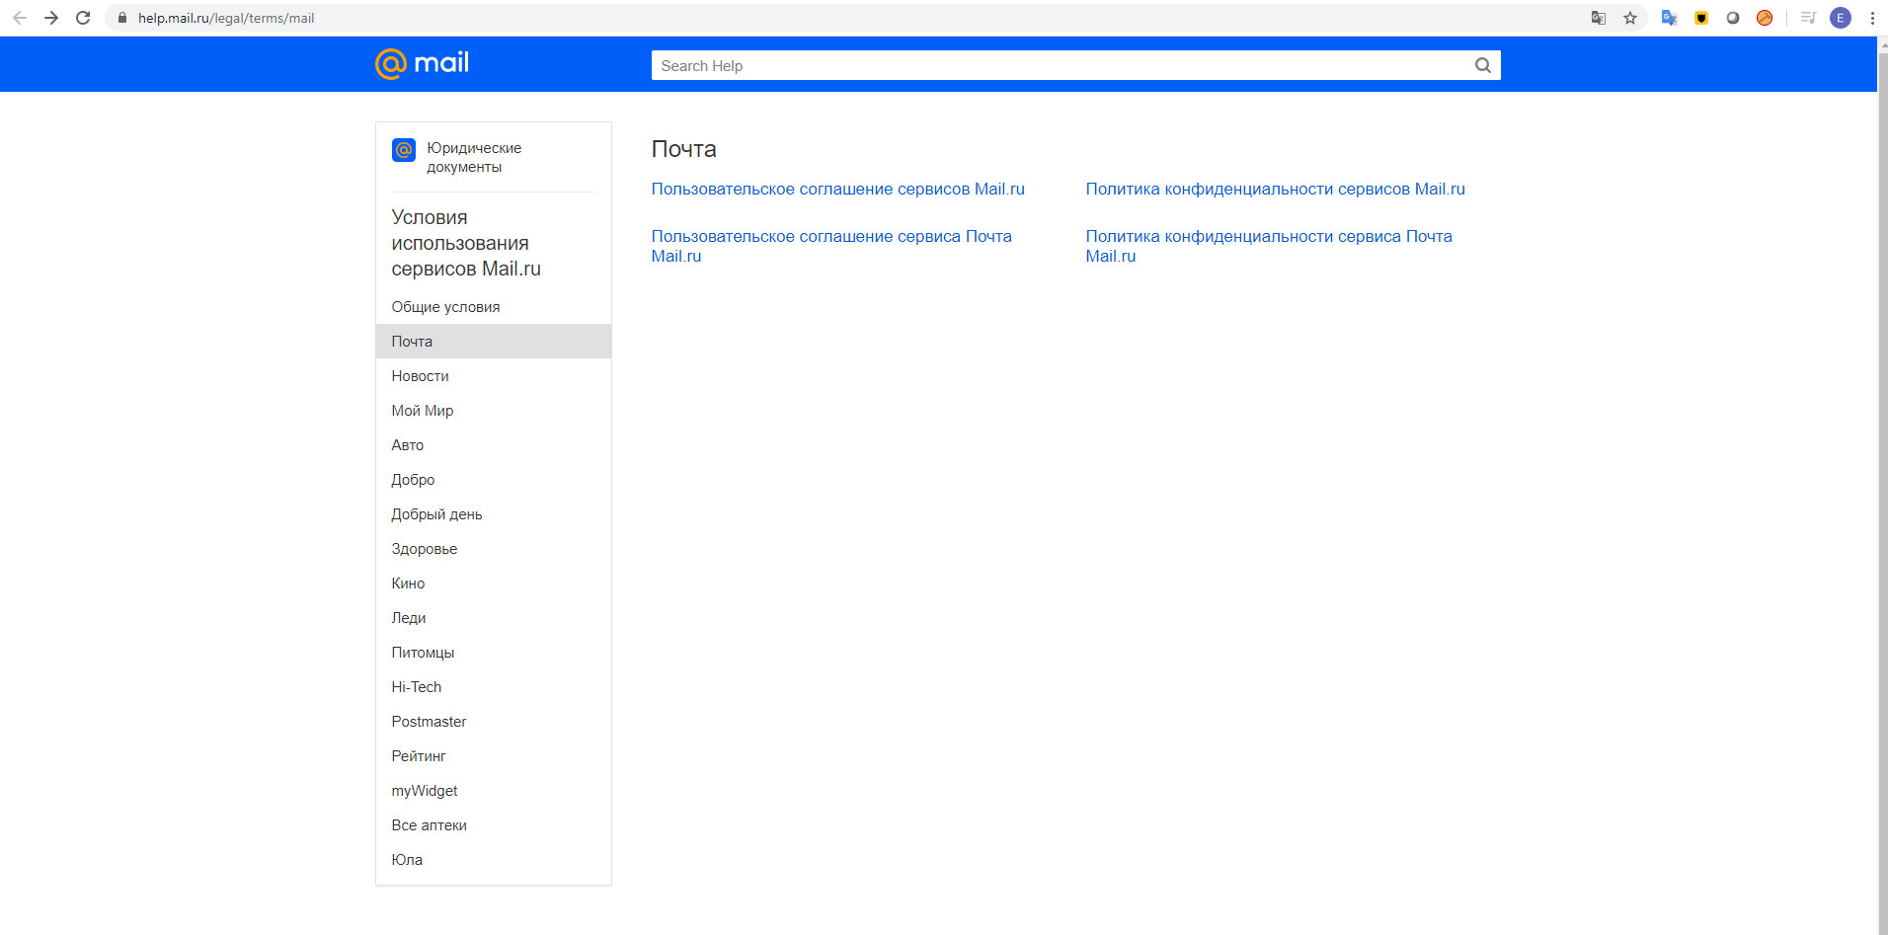
LOG-0004 | LOG-0001 | Set cursor in Password field | 1. Set cursor in the Password field | 1. Cursor is set to the Pasword field - "Re-enter your new password" field appears - "Enter your Password" tooltip is displayed (see the attached screenshot)
LOG-0005 | LOG-0001 | Click "У меня есть мобильный телефон" link | 1. Click the "У меня есть мобильный телефон" link | 1. "Резервный email (необязательно)" field AND "Резервный email необходим для восстановления доступа. У меня есть мобильный телефон" message (with the link) is replaced by: * "Phone number": - Country dropdown (Country flag + Country name), user's country is selected by default - Phone number input field (digits only, +{current country phone code} is displayed * Message: A phone number is required to recover access. If you don't have a phone, then enter an email address. ("enter an email address." is a link) | 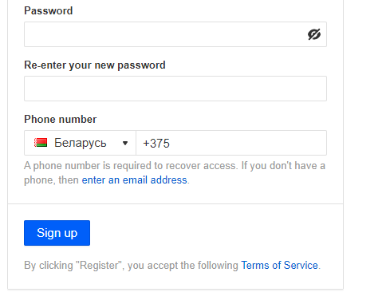
LOG-0006 | LOG-0001 | Click the domain dropdown | 1. Click the domain dropdown | 1. The list of domains is displayed: - @mail.ru (checked by default) - @inbox.ru - @list.ru - @bk.ru
LOG-0007 | LOG-0004 | Enter not valid Password (too short) | 1. Type 1 character in the Password field | 1. - Password field highlighted in red - Validation message appears (Under the field): "Use at least 8 characters" - Validation tooltip appears (see the attached screenshot)
LOG-0008 | LOG-0004 | Enter not valid Password (sequence) | 1. Type"123456"/"654321"/"qwerty"/"password" in the Password field | 1. - Password field highlighted in red - Validation message appears (Under the field): "Don't use personal data, sequences (123456, qwerty), or common passwords (for example, "password")." - Validation tooltip appears (see the attached screenshot) | 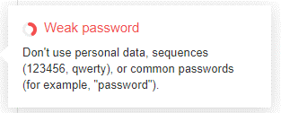
LOG-0009 | LOG-0004 | Enter valid Password (strong) | 1. Type"qweas1234W" in the Password field | 1. - Tooltip appears (see the attached screenshot)
LOG-0010 | LOG-0009 | Make Password visible | 1. Click the crossed eye (in the Password field) | 1. - Password becomes visible - Icon is changed to eye (not crossed)

